SOFP LIABILITY AND NET WORTH
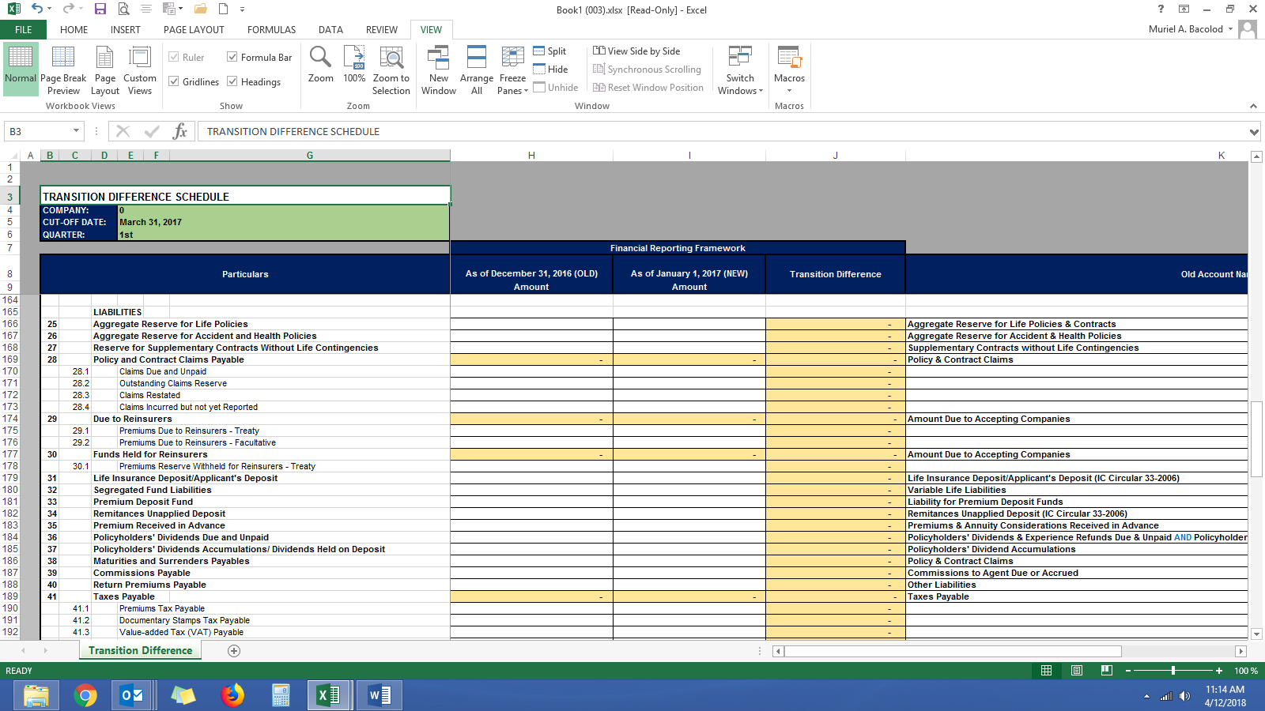
 | THIS TEMPLATE WAS SUBMITTED AS ATTACHMENT IN THE 2017 ANNUAL STATEMENTS (TRANSITION PERIOD FROM NPV TO GPV)

 | LIABILITIES AND NET WORTH ACCOUNTS
 | COMPANY:

 |  |  |  |  | *1 | *2 | *3 |  | *4
 | Particulars |  |  |  | December 31, 2016 PER NPV | GPV ADJUSTMENTS BEFORE AUDIT | January 1, 2017 PER GPV BEFORE AUDIT | GPV ADJUSTMENTS PER AUDIT | January 1, 2017 PER GPV AFTER AUDIT
 |  |  |  |  | (1) | (2) | (3) | (4) | (5)
 |  |  |  |  |  |  | (3)=(1)+(2) | (4)=(5)-(3)

 |  |  | LIABILITIES
 | 25 |  | Aggregate Reserve for Life Policies |  | - | - | - | - | -
 | 26 |  | Aggregate Reserve for Accident and Health Policies |  | - | - | - | - | -
 | 27 |  | Reserve for Supplementary Contracts Without Life Contingencies |  | - | - | - | - | -
 | 28 |  | Policy and Contract Claims Payable |  | - | - | - | - | -
 |  | 28.1 |  | Claims Due and Unpaid | - | - | - | - | -
 |  | 28.2 |  | Outstanding Claims Reserve | - | - | - | - | -
 |  | 28.3 |  | Claims Resisted | - | - | - | - | -
 |  | 28.4 |  | Claims Incurred but not yet Reported | - | - | - | - | -
 | 29 |  | Due to Reinsurers |  | - | - | - | - | -
 |  | 29.1 |  | Premiums Due to Reinsurers - Treaty | - | - | - | - | -
 |  | 29.2 |  | Premiums Due to Reinsurers - Facultative | - | - | - | - | -
 | 30 |  | Funds Held for Reinsurers |  | - | - | - | - | -
 |  | 30.1 |  | Premiums Reserve Withheld for Reinsurers - Treaty | - | - | - | - | -
 | 31 |  | Life Insurance Deposit/Applicant's Deposit |  | - | - | - | - | -
 | 32 |  | Segregated Fund Liabilities |  | - | - | - | - | -
 | 33 |  | Premium Deposit Fund |  | - | - | - | - | -
 | 34 |  | Remitances Unapplied Deposit |  | - | - | - | - | -
 | 35 |  | Premium Received in Advance |  | - | - | - | - | -
 | 36 |  | Policyholders' Dividends Due and Unpaid |  | - | - | - | - | -
 |  | 36.1 |  | Dividends payable to policyholders | - | - | - | - | -
 |  | 36.2 |  | Experience refunds | - | - | - | - | -
 | 37 |  | Policyholders' Dividends Accumulations/ Dividends Held on Deposit |  | - | - | - | - | -
 | 38 |  | Maturities and Surrenders Payables |  | - | - | - | - | -
 | 39 |  | Commissions Payable |  | - | - | - | - | -
 | 40 |  | Return Premiums Payable |  | - | - | - | - | -
 | 41 |  | Taxes Payable |  | - | - | - | - | -
 |  | 41.1 |  | Premiums Tax Payable | - | - | - | - | -
 |  | 41.2 |  | Documentary Stamps Tax Payable | - | - | - | - | -
 |  | 41.3 |  | Value-added Tax (VAT) Payable | - | - | - | - | -
 |  | 41.4 |  | Income Tax Payable | - | - | - | - | -
 |  | 41.5 |  | Withholding Tax Payable | - | - | - | - | -
 |  | 41.6 |  | Fire Service Tax Payable | - | - | - | - | -
 |  | 41.7 |  | Other Taxes and Licenses Payable | - | - | - | - | -
 | 42 |  | Accounts Payable |  | - | - | - | - | -
 |  | 42.1 |  | SSS Premiums Payable | - | - | - | - | -
 |  | 42.2 |  | SSS Loans Payable | - | - | - | - | -
 |  | 42.3 |  | Pag-ibig Premiums Payable | - | - | - | - | -
 |  | 42.4 |  | Pag-ibig Loans Payable | - | - | - | - | -
 |  | 42.5 |  | Operating Lease Liability | - | - | - | - | -
 |  | 42.6 |  | Other Accounts Payable | - | - | - | - | -
 | 43 |  | Deposit for Real Estate Under Contract to Sell |  | - | - | - | - | -
 | 44 |  | Dividends Payable |  | - | - | - | - | -
 | 45 |  | Liability on Life insurance Pool Business |  | - | - | - | - | -
 | 46 |  | Financial Liabilities at Fair Value Through Profit or Loss |  | - | - | - | - | -
 |  | 46.1 |  | Financial Liabilities Held for Trading | - | - | - | - | -
 |  | 46.2 |  | Financial Liabilities Designated at Fair Value Through Profit or Loss | - | - | - | - | -
 |  | 46.3 |  | Derivative Liabilities | - | - | - | - | -
 | 47 |  | Notes Payable |  | - | - | - | - | -
 | 48 |  | Finance Lease Liability |  | - | - | - | - | -
 | 49 |  | Pension Obligation |  | - | - | - | - | -
 | 50 |  | Accrual for Long-Term Employee Benefits |  | - | - | - | - | -
 | 51 |  | Deferred Tax Liability |  | - | - | - | - | -
 | 52 |  | Provisions |  | - | - | - | - | -
 | 53 |  | Cash-Settled Share-Based Payment |  | - | - | - | - | -
 | 54 |  | Accrued Expenses |  | - | - | - | - | -
 |  | 54.1 |  | Accrued Utilities | - | - | - | - | -
 |  | 54.2 |  | Accrued Services | - | - | - | - | -
 |  | 54.3 |  | Accrual for Unused Compensated Absences | - | - | - | - | -
 | 55 |  | Other Liabilities |  | - | - | - | - | -
 |  | 55.1 |  | Deferred Income | - | - | - | - | -
 |  | 55.2 |  | Agency Retirement Plan | - | - | - | - | -
 |  | 55.3 |  | Agency Group Hospitalization Plan | - | - | - | - | -
 |  | 55.4 |  | Agency Group Term Plan | - | - | - | - | -
 |  | 55.5 |  | Agency Cash Bond Deposit | - | - | - | - | -
 | 56 |  | Derivative Liabilities Held for Hedging |  | - | - | - | - | -
 |  | 56.1 |  | Fair Value Hedge | - | - | - | - | -
 |  | 56.2 |  | Cash Flow Hedge | - | - | - | - | -
 |  | 56.3 |  | Hedges of a Net Investment in Foreign Operation | - | - | - | - | -
 | 57 | TOTAL LIABILITIES |  |  | - | - | - | - | -

 |  |  | NET WORTH
 | 58 |  | Capital Stock |  | - | - | - | - | -
 |  | 57.1 |  | Preferred Stock | - | - | - | - | -
 |  | 57.2 |  | Common Stock | - | - | - | - | -
 | 59 |  | Statutory Deposit |  | - | - | - | - | -
 | 60 |  | Capital Stock Subscribed |  | - | - | - | - | -
 | 61 |  | Contributed Surplus |  | - | - | - | - | -
 | 62 |  | Contingency Surplus / Home Office Inward Remittances |  | - | - | - | - | -
 | 63 |  | Capital Paid In Excess of Par |  | - | - | - | - | -
 | 64 |  | Retained Earnings / Home Office Account |  | - | - | - | - | -
 |  | 63.1 |  | Retained Earnings - Appropriated for Negative Reserve | - | - | - | - | -
 |  | 63.2 |  | Retained Earnings - Appropriated Others | - | - | - | - | -
 |  | 63.3 |  | Retained Earnings - Unappropriated | - | - | - | - | -
 |  | 63.4 |  | Retained Earnings - Transition Adjustments |  | - | - | - | -
 | 65 |  | Cost of Share-Based Payment |  | - | - | - | - | -
 | 66 |  | Reserve Accounts |  | - | - | - | - | -
 |  | 65.1 |  | Reserve for AFS Securities | - | - | - | - | -
 |  | 65.2 |  | Reserve for Cash Flow Hedge | - | - | - | - | -
 |  | 65.3 |  | Reserve for Hedge of a Net Investment in Foreign Operation | - | - | - | - | -
 |  | 65.4 |  | Cumulative Foreign Currency Translation | - | - | - | - | -
 |  | 65.5 |  | Remeasurement on Life Insurance Reserves | - | - | - | - | -
 |  | 65.6 |  | Reserve for Investment in Associates | - | - | - | - | -
 | 67 |  | Reserve for Appraisal Increment - Property and Equipment |  |  | - | - | - | -
 | 68 |  | Remeasurement Gains (Losses) on Retirement Pension Asset (Obligation) |  | - | - | - | - | -
 | 69 |  | Treasury Stock |  | - | - | - | - | -
 | 70 | TOTAL NET WORTH |  |  | - | - | - | - | -
 | 71 | TOTAL LIABILITIES AND NET WORTH |  |  | - | - | - | - | -

*1 | This should be equivalent to the "As of December 21, 2016 (OLD) Amount" Column in the Transition Difference tab in the FRF Template (format as shown below) for 1st Quarterly FRF Submission ending 31 March 2017.
*2 | This should be equivalent to the "Transition Difference" Column in the Transition Difference tab in the FRF Template (format as shown below) for 1st Quarterly FRF Submission ending 31 March 2017.
*3 | This should be equivalent to the "As of January 1, 2017 (NEW) Amount" Column in the Transition Difference tab in the FRF Template (format as shown below) for 1st Quarterly FRF Submission ending 31 March 2017.
*4 | Should tally with page 3 "Previous Year Amount as RESTATED/AUDITED" column of the General Fund AS

REFERENCE:

